Hoja1
University Name: Metropolitan University of Honduras
General Information
 | Foundation Year | 2002
 | Student number | 6400
 | Subject areas | Engineering, Marketing, Ecology, Social area, Comunication, Legal
 | Faculties name | Business sciences Faculty, Ecology and Environment Faculty, Social Sciences Faculty Comunication Sciences Faculty Legal Science Faculty Engineering Faculty
 | Number of university Campus | 10 campus nationwide the country
 | Other relevant Information | The Metropolitan University of Honduras is a private, non-profit Higher Education institution founded by the FUMH Metropolitan University Foundation (FUMH), through resolution 89-2001 published in the official newspaper La Gaceta on August 1, 2001, created by agreement No. 1068-154-2002 dated December eighteenth of the year two thousand two, From Direction of higher education of Honduras. It has 10 campuses nationwide in the country's main cities, it offers 9 bachelor's degree courses, 7 master's level courses and two professional technician level courses, it has 400 employees including executives, administrators and teachers, and it has a student population of more than 6000 students. Mission Contribute to the social, economic, technological and political development of the country, through the training of quality and competitive human resources, capable of transforming social, economic and political structures. Train generations of professionals with positive values ​​and attitudes in accordance with their human condition and the ethical and moral demands of society. Vision To be a Higher Education teaching center that provides quality educational services, with international projection in the different fields of human knowledge. To be an advanced university in the techniques and methodologies related to the creation and transmission of science, arts and culture, forming a learning system that links academics with local, national and regional needs and problems in order to contribute to its solution. Goals • Develop higher education to train professionals framed in the concepts and demands of globalization and national and international competitiveness. • Develop scientific and humanistic education that equips the student. • Provide strategic training in order to train a professional capable of contributing to the development of the country's social sectors. The UMH is part of national and international organizations committed to disaster risk

5 University Photographs |  | 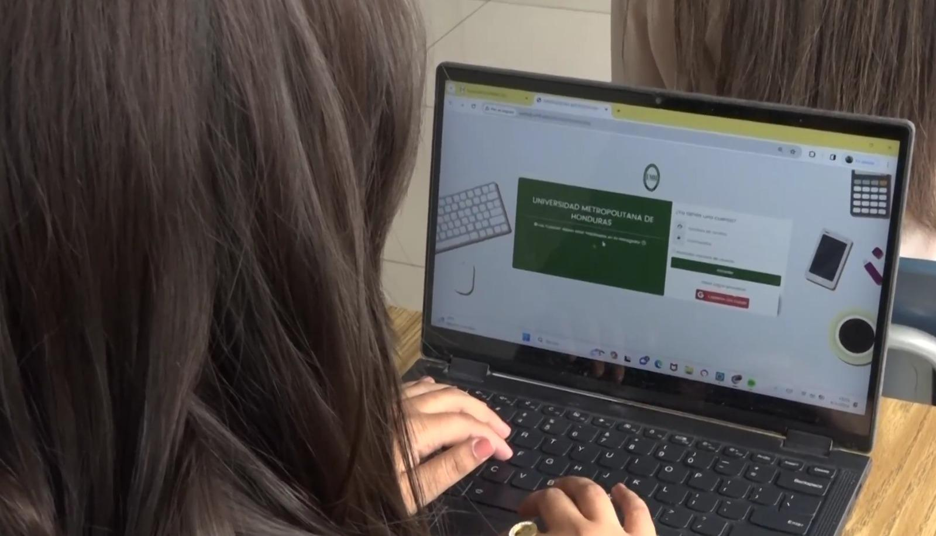 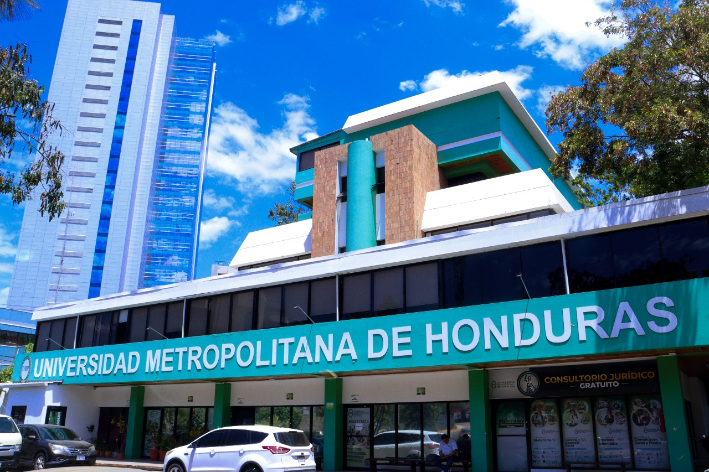 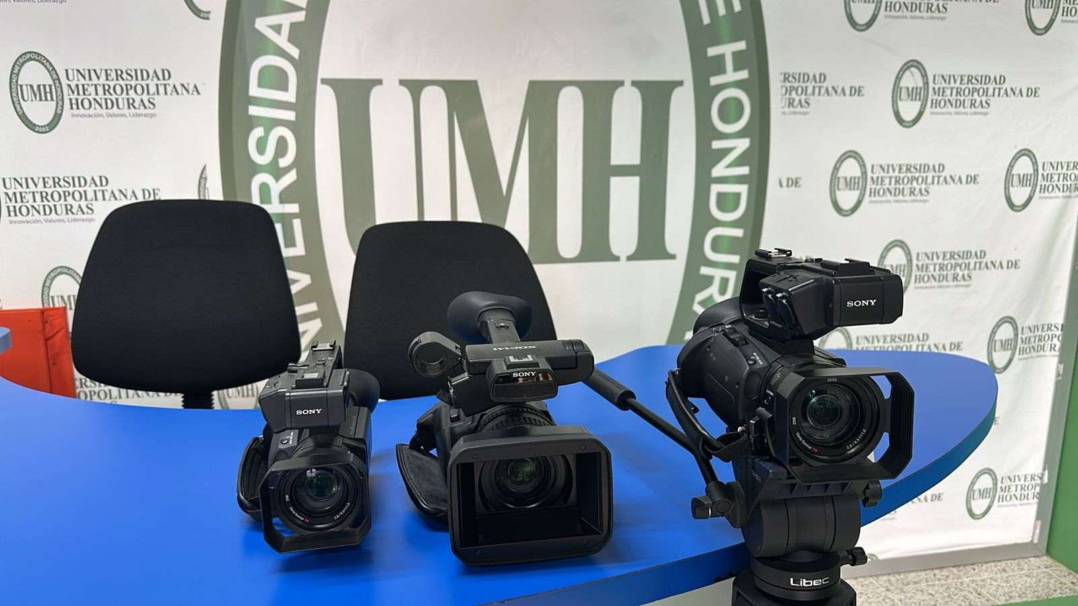 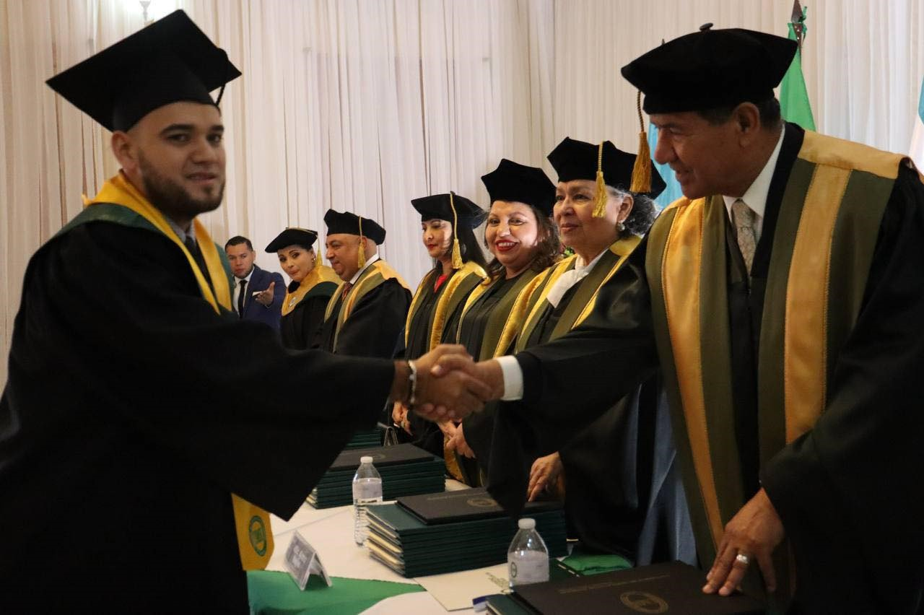 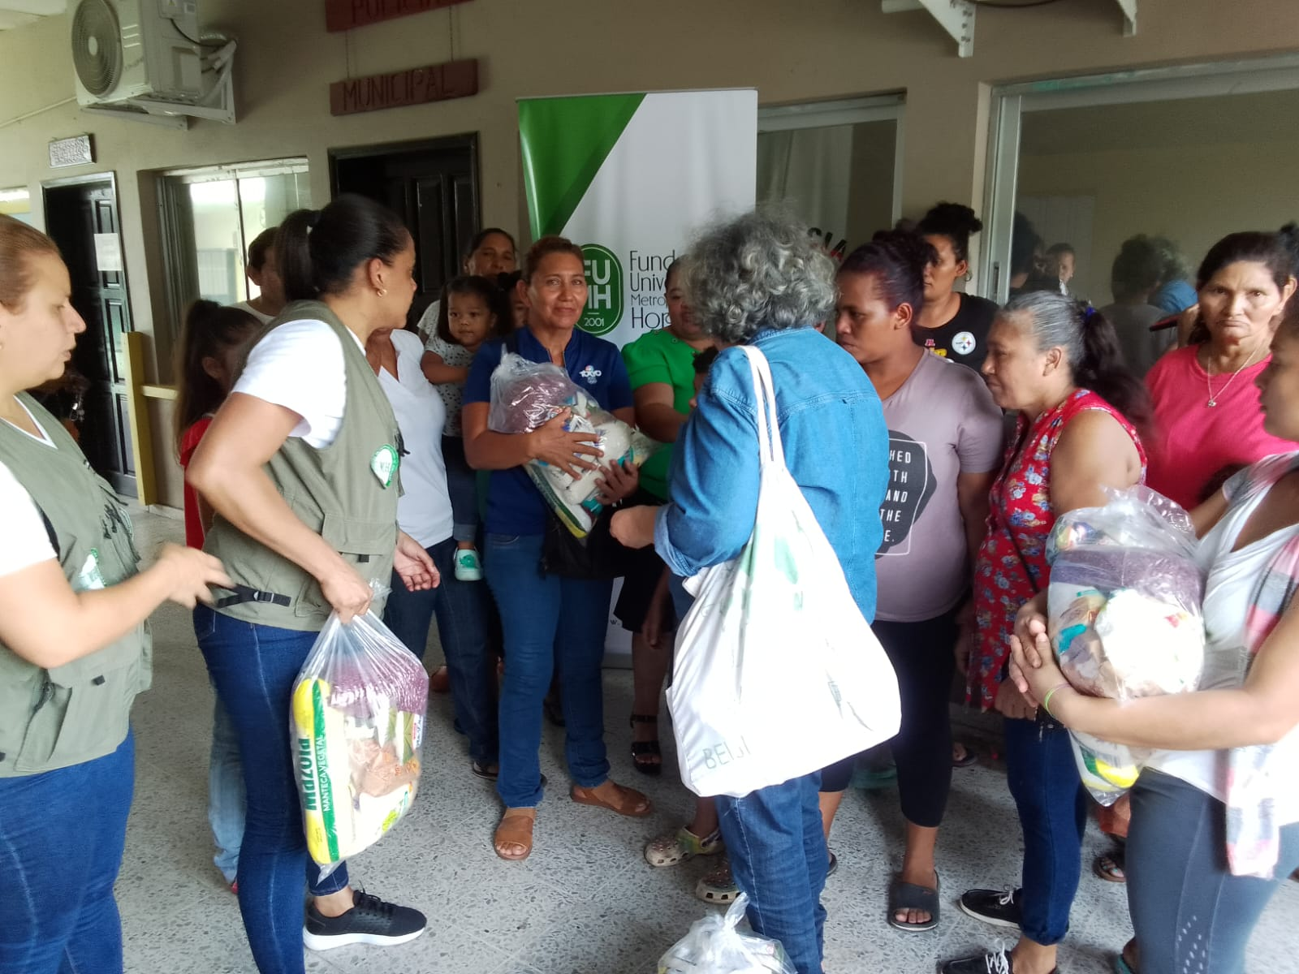
Website URL : |  | www.unimetro.edu.hn
Staff member
Information (Please incluide all professors
participating in the project )
 | Full Name | Julio César Figueroa Sandrez
 | Google Scholar link
 | Linkelin link | https://www.linkedin.com/in/julio-c%C3%A9sar-figueroa-sandrez-46474120/
 | Email | jfigueroa@unimetro.edu.hn
 | Area de Expertice | Telecomunication/Business Managenent/Higher Education
 | Faculty | Engineering / Business Sciences
 | Individual portrait photograph | 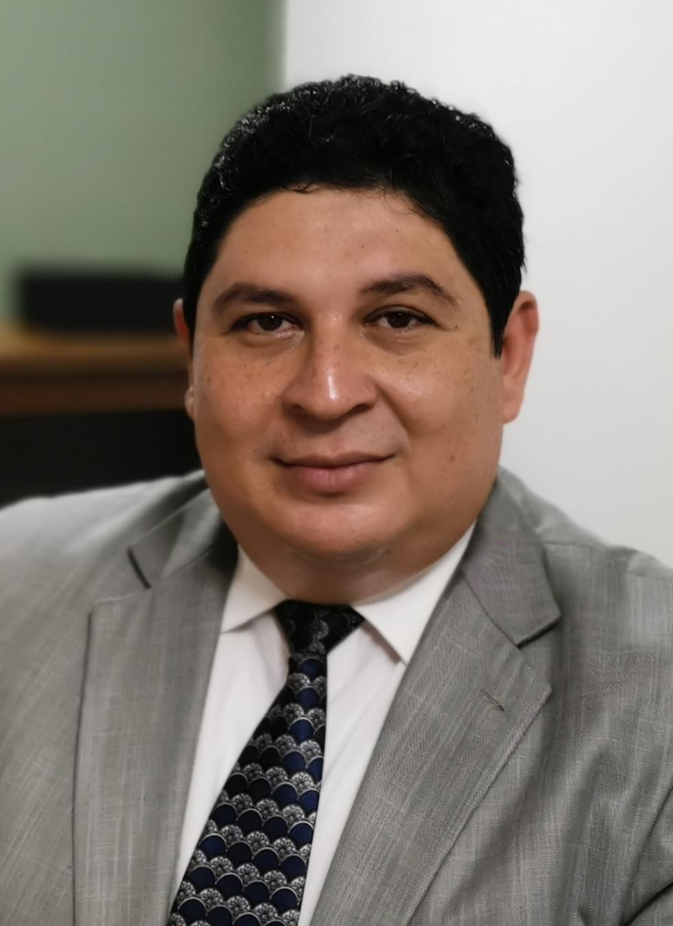
 | Full Name | Karen Regina Aceituno Barahona
 | Google Scholar link
 | Linkelin link | https://www.linkedin.com/in/karen-regina-aceituno-barahona-15435521b
 | Email | kaceituno@unimetro.edu.hn
 | Area de Expertice | Total Quality Control/Higher Education
 | Faculty | Engineering
 | Individual portrait photograph | 
 | Full Name | Sandra Mercedes Garcia Discua
 | Google Scholar link
 | Linkedin link | https://www.linkedin.com/in/sandra-mercedes-garc%C3%ADa-761815308/
 | Email | sandra.garcia@umh.edu.hn
 | Area of Expertise | Marketing/Higher Education
 | Faculty | Business Sciences
 | Individual portrait photograph | 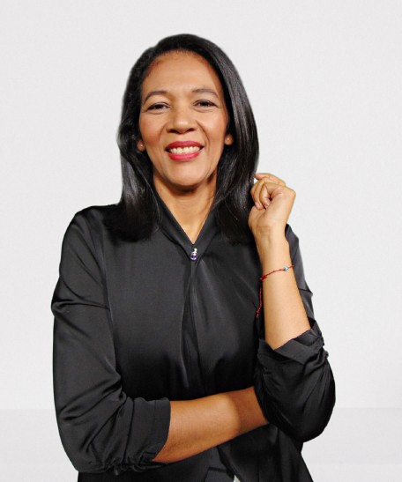
 | Full Name | Yesika Judith Berrios Osorio de Medina
 | Google Scholar link | https://scholar.google.es/citations?user=n3OyCAsAAAAJ&hl=es
 | Linkelin link | https://hn.linkedin.com/in/yesika-judith-berrios-716a49129
 | Email | yesika.berrios@umh.edu.hn/ yberrios@unimetro.edu.hn
 | Area de Expertice | Business Management/Higher Education
 | Faculty
 | 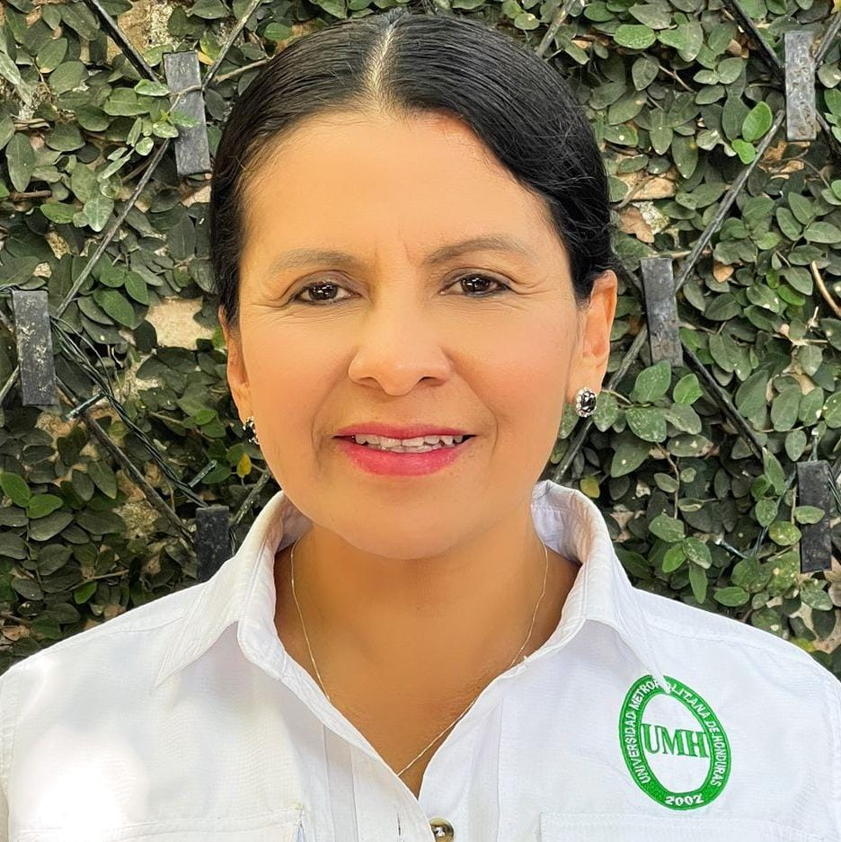 Individual portrait photograph
 | Full Name | Kurt Fortin Duarte
 | Google Scholar link | Engineering / Business Sciences
 | Linkelin link | https://www.linkedin.com/in/kurtfortin/
 | Email | kurt.fortin@umh.edu.hn
 | Area de Expertice | Marketing/International Sustainable Development
 | Faculty | Business Sciences
 | Individual portrait photograph | 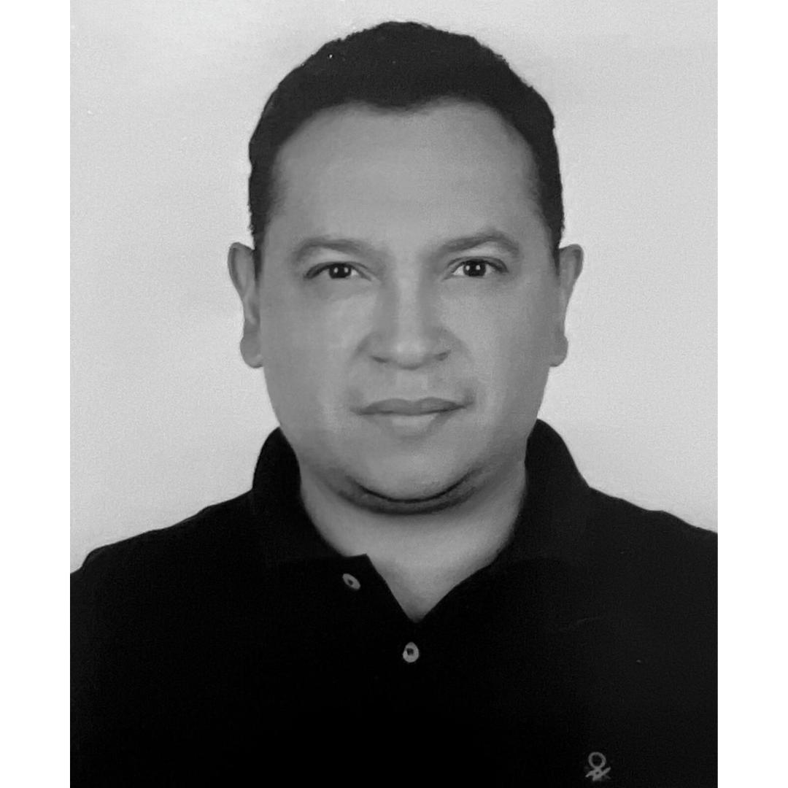
 | Full Name | Fernando Enrique Aceituno Barahona
 | Google Scholar link | https://scholar.google.es/citations?hl=es&user=Vk0hCYEAAAAJ
 | Linkelin link | http://linkedin.com/in/fernando-aceituno-246097120
 | Email | faceituno@unimetro.edu.hn
 | Area de Expertice | Business Management
 | Faculty | Business Sciences
 | Individual portrait photograph | 
 | Full Name | Meily celene Santos Baquedano
 | Google Scholar link
 | Linkelin link | www.linkedin.com/in/ celene-santos-educadora
 | Email | msantos@unimetro.edu.hn
 | Area de Expertice | Higher Education with a focus on University Teaching and Curriculum Design
 | Faculty | Social Sciences
 | Individual portrait photograph | 
 | Full Name | Marisela Espinal Fiallos
 | Google Scholar link
 | Linkelin link | https://www.linkedin.com/in/mariselaespinal/
 | Email | marisela.espinal@umh.edu.hn
 | Area de Expertice | Business Management/Higher Education
 | Faculty | Engineering / Business Sciences
 | Individual portrait photograph | 
 | Full Name | Oscar Mauricio Rodríguez Corrales
 | Google Scholar link
 | Linkelin link | www.linkedin.com/in/oscar-rodriguez-051b71136
 | Email | oscar.rodriguez@umh.edu.hn
 | Area de Expertice | Construction/Risk Management/Higher Education
 | Faculty | Engineering
 | Individual portrait photograph | 

